1. Title Page
Instacart Grocery Basket Analysis

Project Name: Instacart Grocery Basket Analysis
Date: 05.05.2023
Analyst Name: Trajche Sazdov

Contents:
Population Flow
Consistency checks
Wrangling steps
Column derivations
Visualizations
Recommendations

2. Population Flow
Title page

Population flow

Exclusion flag
Condition: max_order < 5
Obervations to be removed: 1440355
Final total count of order_products_all: 30965686

Orders_products_combined
Orders_products_merged
Orders_products_all

Total:32406041
Total:32434489
Total:32406041

1.) The grey boxes in the first row of the population flow represent the original data sets as they were when you downloaded them. In the Total fields you need to add the count of the rows when you imported the data set into Jupyter.
2.) The second row of boxes (coloured) represents the data sets after you manipulated them, e.g., removed missing values and duplicates. In the Total fields you need to add the count of the rows after conducting these operations. This offers a visual oveview of how the data flows throughout the data consistency checks.
3.) The third row, where also the arrows are coloured, represents the merges you performed between the datasets. In the Total fields you need to add the count of the rows in the merged datasets, so that you end up with the final dataset (in the red box). Keep in mind the final dataset should be without exclusions (based on the exclusion flag).

3. Consistency checks
 |  |  |  |  | Title page
Consistency checks

Dataset | Missing values | Missing values treatment | Duplicates
orders
products | 16 | Removed | 5
orders_products_prior
customers

 |  |  |  | region | High spender | Low spender
 |  |  |  | Midwest | 155979 | 7441606
 |  |  |  | Northeast | 108226 | 5614713
 |  |  |  | South | 209693 | 10582607
 |  |  |  | West | 160354 | 8132863

4. Wrangling steps
 |  |  |  | Title page
Wrangling steps

Columns dropped | Columns renamed | Columns' type changed | Comment/Reason
eval_set (from orders) |  |  | Column was not neccesery for the analysys
 | order_dow (from orders) |  | Column name was unclear
 |  | order_id (from orders)) | Column changed to striing because it does not represent real numeric values, rather, keys related to specific orders
 |  | user_id (from orders) | Column changed to striing because it does not represent real numeric values, rather, keys related to specific users
First Name (from customers) |  |  | Column was not neccesery for the analysys
Surnam (from customers) |  |  | Column was not neccesery for the analysys
 | Gender to gender (from customers) |  | To use lower case letters for column names
 | STATE to state (from customers) |  | To use lower case letters for column names
 | Age to age (from customers) |  | To use lower case letters for column names
 | n_dependants to number_of_dependants (from customers) |  | Column name was unclear
 | fam_status to family_status (from customers) |  | Column name was unclear

5. Column derivations
 |  |  |  | Title page

Column derivations and aggregations

In this tab you should add tables below that the frequences of flags/label variables that you produced after deriving them. NB: don't do this for continuous variables, only for flags.
Dataset | New column | Column/s it was derived from | Conditions
orders_products_merged | price_range_loc | prices | prices <= 5 -- Low-range product prices > 5 & prices <=15 == Mid-range product prices > 15 -- High-range product
orders_products_merged | busiest_day | orders_day_of_week | Saturday (0) -- Busiest day Wedneday (4) -- Least busy All other values -- Regularly busy
orders_products_merged | busiest_days | orders_day_of_week | Saturday (0) and Sunday (1)-- Busiest days Wedneday (4) and Tuesday(3) -- Slowest days All other values -- Regularly busy
orders_products_merged | busiest_period_of_day | order_hour_of_day | 10- Most orders 3 -- Fewest orders All other values -- Average orders
orders_products_merged | loyalty_flag | max_order | max_order > 40-- Loyal customer max_order > 10 and max_order <=40 -- Regular customer max_order <=10 -- New customer
orders_products_merged | spenders_flag | average_price | average_price => 10 -- High spender average_price <10 -- Low spender
orders_products_merged | frequency_median | frequency_flag | frequency_median > 20 -- Non-frequent customer frequency_median > 10 and frequency_median <=20 -- Regular customer frequency_median <=10 -- Frequent customer
orders_products_all | region | state | if state= 'Maine', 'New Hampshire', 'Vermont', 'Massachusetts', 'Rhode Island', 'Connecticut', 'New York', 'Pennsylvania', 'New Jersey' then Northeast 'if state= 'Wisconsin', 'Michigan', 'Illinois', 'Indiana', 'Ohio', 'North Dakota', 'South Dakota', 'Nebraska', 'Kansas', 'Minnesota', 'Iowa', 'Missouri' then Midwest 'if state= 'Idaho', 'Montana', 'Wyoming', 'Nevada', 'Utah', 'Colorado', 'Arizona', 'New Mexico', 'Alaska', 'Washington', 'Oregon', 'California', 'Hawaii' then West All other values = South
orders_products_all | activity_flag | max_order | max_order < 5 -- '< 5 orders' max_order >= 10 -- '>= 5 orders'
orders_products_all | profile | family_status | (if number_of_dependants= 0) & [(family_status =single) or (family_status= divorced/widowed) or (family_status= living with parents and siblings)] then profile = Single (if number_of_dependants= 1) & [(family_status =single) or (family_status= divorced/widowed) or (family_status= living with parents and siblings)] then profile = Single Parent with 1 child (if number_of_dependants= 2) & [(family_status =single) or (family_status= divorced/widowed) or (family_status= living with parents and siblings)] then profile = Single Parent with 2 children (if number_of_dependants= 3) & [(family_status =single) or (family_status= divorced/widowed) or (family_status= living with parents and siblings)] then profile = Single Parent with 3 children (if number_of_dependants= 0) & (family_status =married) then profile = Couple without children (if number_of_dependants= 1) & (family_status =married) then profile = Couple with 1 child (if number_of_dependants= 2) & (family_status =married) then profile = Couple with 2 children (if number_of_dependants= 3) & (family_status =married) then profile = Couple with 3children

6. Visualizations
 |  |  | Title page

Visualisations

In this tab you should include all the visualtions from Exercises 4.9 and 4.10, alongside the questions from the project brief that they answer. Include any commentary on the relationship between different variables.

Distribution of orders by day of week |  | Distribution of orders by hour in the day



 | 0-Saturday
 | 1-Sunday
 | 2-Monday
orders
 | 3-Tuesday
 | 4-Wendsday
 | 5-Thursday
 | 6-Friday

day of week
hour

The busiest day in the week is Saturday follwed by Sunday and Friday |  | The busiest period of the day is between 9 AM. and 4 PM.

Relationship between day of the week and average product price purchased |  | Relationship between product price and time of day

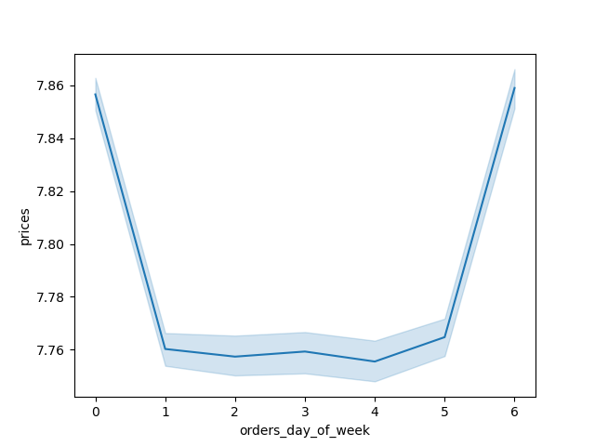
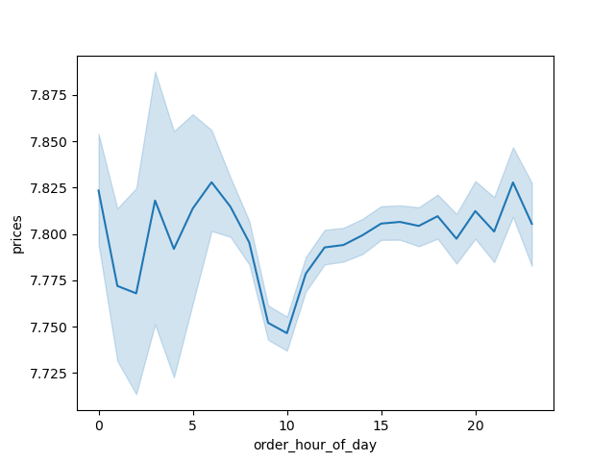

 | 0-Saturday
 | 1-Sunday
 | 2-Monday
 | 3-Tuesday
 | 4-Wendsday
 | 5-Thursday
 | 6-Friday

There is not a big difference between the day of the week and average product price purchased but still we can see that Saturday and Friday have sligt increase |  | The most expencive product are bought around midnight and in the morning while the least expensive purchases occur at 10 AM.

Distribution of different profiles |  | Total number of different profiles

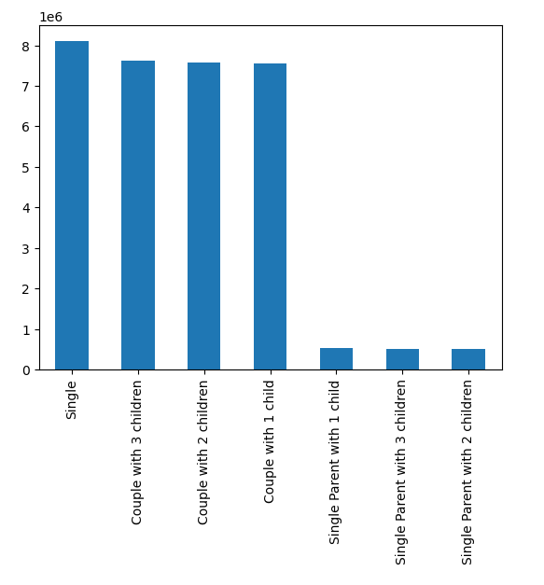

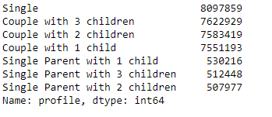

Most of the customers are Single followed by Couples with children. There is considarbly less customers that are single parents. |  | Most of the customers are Single followed by Couples with children. There is considarbly less customers that are single parents.

Number of orders by departments |  | Distribution of customers

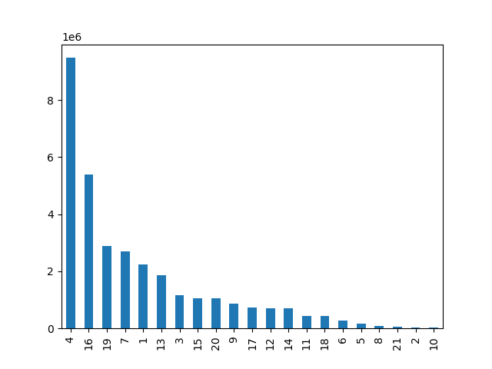
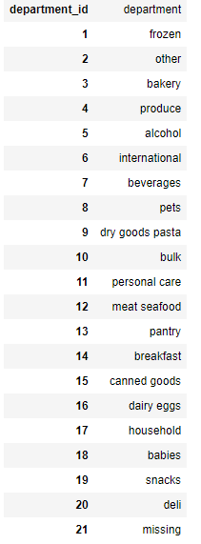
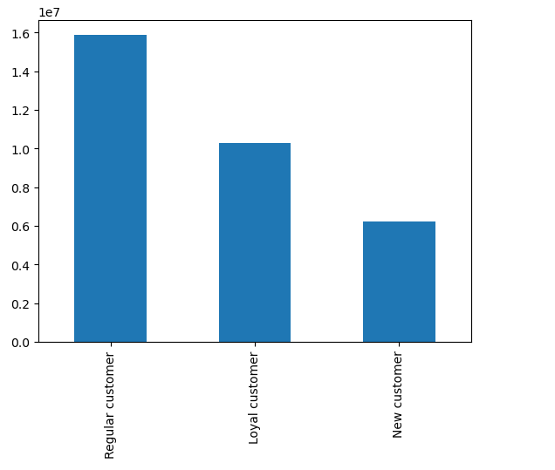

Number of orders

department_id

Departments with most orders and highest popularaty are produce, deary eggs, snacks, beverages and frozen goods. |  | Most of the customers are Regular customers followed be Loyal customer and we have least New customers

Department popularity by Profiles |  | Expenditure and usage frequency by profile

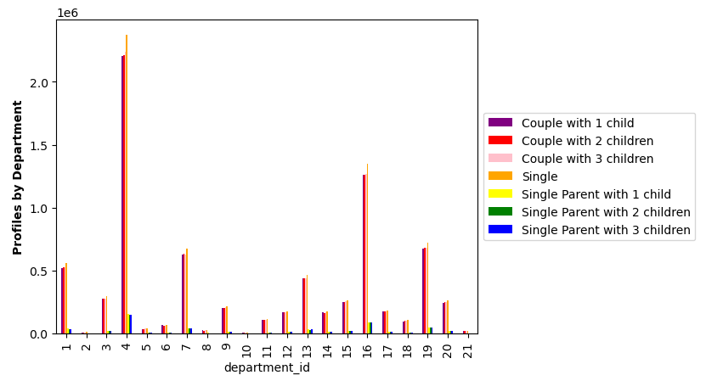
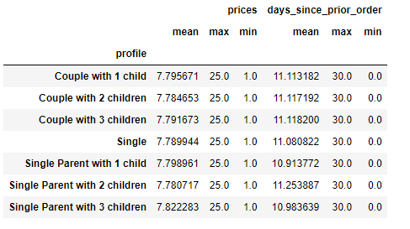

Departments with most orders and highest popularaty are produce, deary eggs, snacks, beverages and frozen goods. |  | The number of the analysis are similar for all profile groups

Scatterplot of income by age of customer |  | Distribution of profiles by region


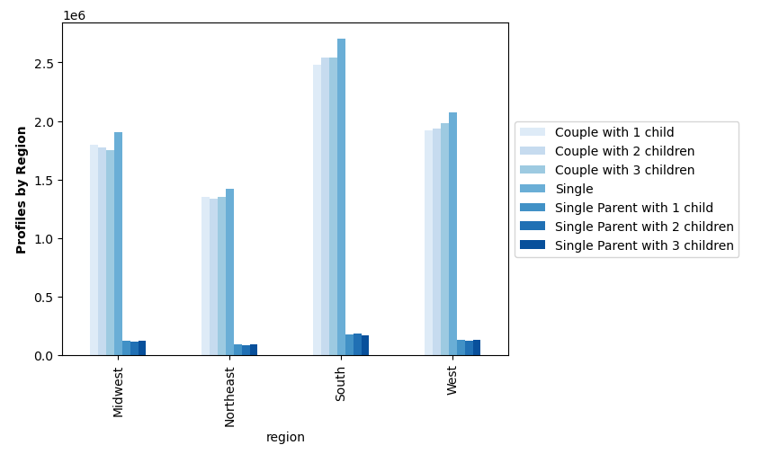

The scatterplot shows that most of the population (in this case the customers) have income of less then 200000. Also, we can see that in the population that is 40+ old the is a higher income rate. |  | In every region we have most of customers that are Single followed by Couples with children.

Distribution of products by price range |  | Relationship between ordering habbits of customers and region

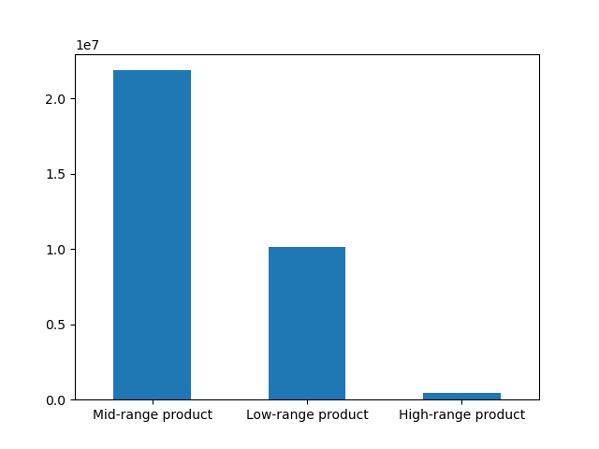
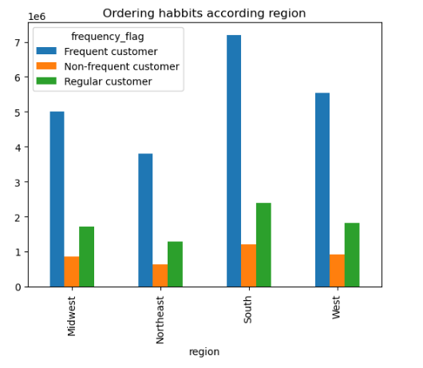

Highest number of products are Mid-range and least are High range |  | In all the regions we have the same distribution of customers according the frequency flag

Product ditribution by price |  | Distribution of users in regards to their brand loyalty

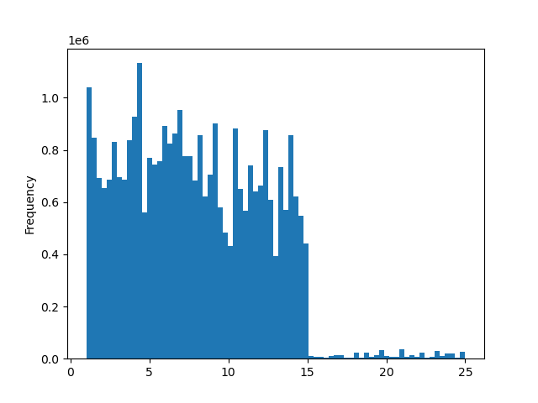
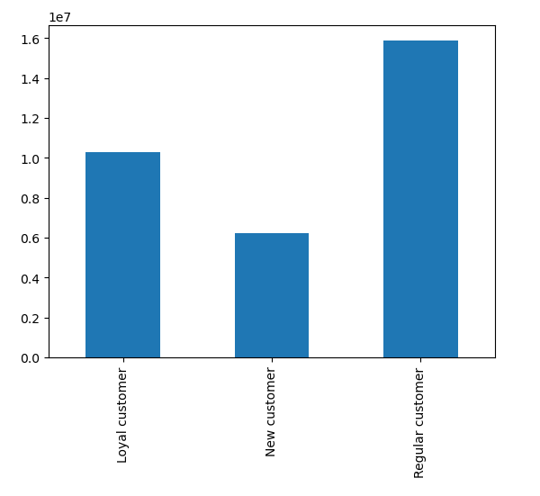

price

Most of the products are in range of under 15 dollars |  | Most of the customers are Regular customers followed be Loyal customer and we have least New customers

Relationship between number of dependats and age

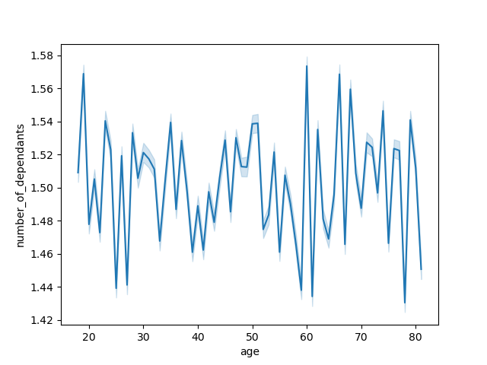
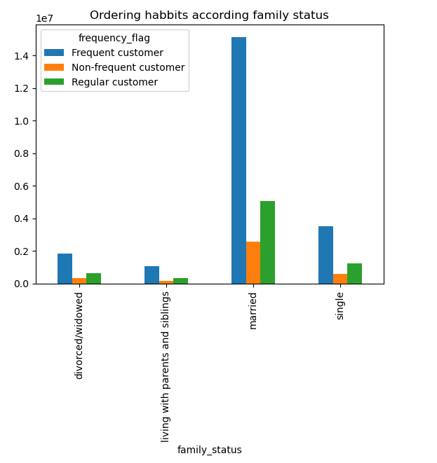

There is not significant implication that would suggest that there is some connection between the age and the number of dependents |  | Married people are the ones that have the most orders

Distribution of customers by spenders' flag and region

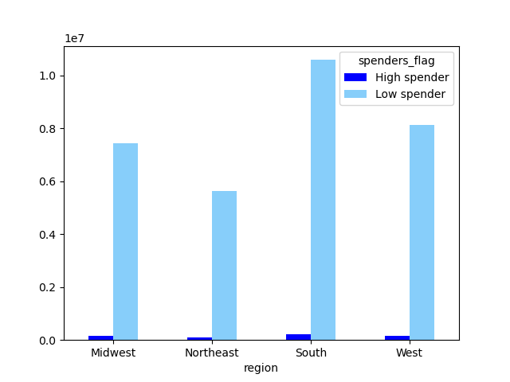

In every region we have a lot more Low spenders. The region with most customers is South and with least is Northeast.

7. Recommendations
 |  |  | Title page

Recommendations

In this tab you should include any recommendations you would made to Instcart in terms of their marketing strategy based on the questions posed in the brief. Every key question has been covered in the Tasks of the Exercises - here you need to add an item - a visualisation or table/crosstable that is showing the answer in the data, acompanied by a comment from you. Please, list the questions below and add the answer underneath.

Question | Answer | Recommendation
The sales team needs to know what the busiest days of the week and hours of the day are (i.e., the days and times with the most orders) in order to schedule ads at times when there are fewer orders. | The busiest day in the week is Saturday follwed by Sunday and Friday. The busiest period of the day is between 9 AM. and 4 PM. | Schedule ads from Monday till Thursday, preferably in the period from 16 till 22 clock. In the period of 22 till 06 clock ads are not recommended because these are usually sleeping hours of most of the population.
They also want to know whether there are particular times of the day when people spend the most money, as this might inform the type of products they advertise at these times. | The most expencive product are bought around midnight and in the morning while the least expensive purchases occur at 10 AM. | Advertise more expensive items during the morning and evening.
Instacart has a lot of products with different price tags. Marketing and sales want to use simpler price range groupings to help direct their efforts. | Products have been categorized as: prices <= 5 --Low-range product prices > 5 & prices <=15 --Mid-range product prices >15 -- High-range product | Consider additional price categories on the Low-range product as this is the category with most products.
Are there certain types of products that are more popular than others? The marketing and sales teams want to know which departments have the highest frequency of product orders. | Departments with most orders and highest popularaty are produce, deary eggs, snacks, beverages and frozen goods. | Additional advertising is not recommended on these categories as they contain items that are used constantly and on daily basis by the majority of the population.
The marketing and sales teams are particularly interested in the different types of customers in their system and how their ordering behaviors differ. What’s the distribution among users in regards to their brand loyalty (i.e., how often do they return to Instacart)? | Most of the customers are Regular customers followed be Loyal customer and we have least New customers | Encourage New customers with discounts and promotions in order for them return more often.
The marketing and sales teams are particularly interested in the different types of customers in their system and how their ordering behaviors differ. Are there differences in ordering habits based on a customer’s loyalty status? | Regular customers have the most orders by a significant margin. | No recommendation
The marketing and sales teams are particularly interested in the different types of customers in their system and how their ordering behaviors differ. Are there differences in ordering habits based on a customer’s region? | The analisys did not show results for differences in ordering habits based on a customer’s region. | The South region has the most orders but this can be just because of the different numbers of population. Treat every region equally.
The marketing and sales teams are particularly interested in the different types of customers in their system and how their ordering behaviors differ. Is there a connection between age and family status in terms of ordering habits? | Married people are the ones that have the most orders | No recommendation
The marketing and sales teams are particularly interested in the different types of customers in their system and how their ordering behaviors differ. What different classifications does the demographic information suggest? Age? Income? Certain types of goods? Family status? | We have the following demographic status: Single 8097859 Couple with 3 children 7622929 Couple with 2 children 7583419 Couple with 1 child 7551193 Single Parent with 1 child 530216 Single Parent with 3 children 512448 Single Parent with 2 children 507977 | No recommendation
The marketing and sales teams are particularly interested in the different types of customers in their system and how their ordering behaviors differ. What differences can you find in ordering habits of different customer profiles? Consider the price of orders, the frequency of orders, the products customers are ordering, and anything else you can think of. | Married people are the ones that have the most orders but besides of that we cannot see any significant difference according profile, region, etc. that would lead to any precise conclusion | No recommendation

